Sheet1
나비야 악보 예측하기
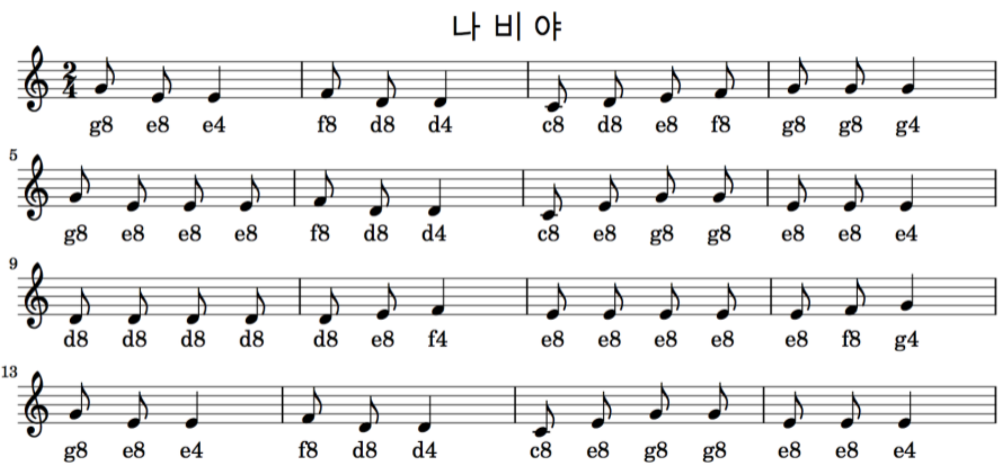

알파벳은 음계, 숫자는 음의 길이 (시계열자료)
{'c4':0, 'd4':1, 'e4':2, 'f4':3, 'g4':4, 'a4':5, 'b4':6, 'c8':7, 'd8':8, 'e8':9, 'f8':10, 'g8':11, 'a8':12, 'b8':13} |  |  |  |  |  | 학생 A | [0.1,0.1,0.1,0.1,0.1,0.1,0.1,0.1,0.1,0.1]
4음절씩 데이터 구성(50개 인스턴스 생성, 54-4) |  |  |  |  | 12지 선다문제 | 학생 B | [0.01,0.01,0.01,0.01,0.01,0.01,0.99,0.01,0.01,0.01]
# |  | [x_train, y_train] | x_train(표준화) | y_train | y_train (0ne-hot code) |  | 학생 A | 학생 B
1 | [[11, 9, 2, 10, 8], |  | [[0.84615385, 0.69230769, 0.15384615, 0.76923077], | [ 8], | [[0., 0., 0., 0., 0., 0., 0., 0., 1., 0., 0., 0.], |  | Unhappyness | Unhappyness | 손실함수(cross-entropy)
2 | [ 9, 2, 10, 8, 1], |  | [0.69230769, 0.15384615, 0.76923077, 0.61538462], | [ 1], | [0., 1., 0., 0., 0., 0., 0., 0., 0., 0., 0., 0.], |  | 0.92 | 0.0012
3 | [ 2, 10, 8, 1, 7], |  | [0.15384615, 0.76923077, 0.61538462, 0.07692308], | [ 7], | [0., 0., 0., 0., 0., 0., 0., 1., 0., 0., 0., 0.],
4 | [10, 8, 1, 7, 8], |  | [0.76923077, 0.61538462, 0.07692308, 0.53846154], | [ 8], | [0., 0., 0., 0., 0., 0., 0., 0., 1., 0., 0., 0.],
5 | [ 8, 1, 7, 8, 9], |  | [0.61538462, 0.07692308, 0.53846154, 0.61538462], | [ 9], | [0., 0., 0., 0., 0., 0., 0., 0., 0., 1., 0., 0.],
6 | [ 1, 7, 8, 9, 10], |  | [0.07692308, 0.53846154, 0.61538462, 0.69230769], | [10], | [0., 0., 0., 0., 0., 0., 0., 0., 0., 0., 1., 0.],
7 | [ 7, 8, 9, 10, 11], |  | [0.53846154, 0.61538462, 0.69230769, 0.76923077], | [11], | [0., 0., 0., 0., 0., 0., 0., 0., 0., 0., 0., 1.],
8 | [ 8, 9, 10, 11, 11], |  | [0.61538462, 0.69230769, 0.76923077, 0.84615385], | [11], | [0., 0., 0., 0., 0., 0., 0., 0., 0., 0., 0., 1.], | 전체 50문제를 한번에 10문제씩 풀어서 답안을 맞추어 보고 1000번 반복 학습
9 | [ 9, 10, 11, 11, 4], |  | [0.69230769, 0.76923077, 0.84615385, 0.84615385], | [ 4], | [0., 0., 0., 0., 1., 0., 0., 0., 0., 0., 0., 0.], | batch size=10 | epochs = 1000
10 | [10, 11, 11, 4, 11], |  | [0.76923077, 0.84615385, 0.84615385, 0.30769231], | [11], | [0., 0., 0., 0., 0., 0., 0., 0., 0., 0., 0., 1.], | callbacks
11 | [11, 11, 4, 11, 9], |  | [0.84615385, 0.84615385, 0.30769231, 0.84615385], | [ 9], | [0., 0., 0., 0., 0., 0., 0., 0., 0., 1., 0., 0.],
12 | [11, 4, 11, 9, 9], |  | [0.84615385, 0.30769231, 0.84615385, 0.69230769], | [ 9], | [0., 0., 0., 0., 0., 0., 0., 0., 0., 1., 0., 0.],
13 | [ 4, 11, 9, 9, 9], |  | [0.30769231, 0.84615385, 0.69230769, 0.69230769], | [ 9], | [0., 0., 0., 0., 0., 0., 0., 0., 0., 1., 0., 0.],
14 | [11, 9, 9, 9, 10], |  | [0.84615385, 0.69230769, 0.69230769, 0.69230769], | [10], | [0., 0., 0., 0., 0., 0., 0., 0., 0., 0., 1., 0.],
15 | [ 9, 9, 9, 10, 8], |  | [0.69230769, 0.69230769, 0.69230769, 0.76923077], | [ 8], | [0., 0., 0., 0., 0., 0., 0., 0., 1., 0., 0., 0.],
16 | [ 9, 9, 10, 8, 1], |  | [0.69230769, 0.69230769, 0.76923077, 0.61538462], | [ 1], | [0., 1., 0., 0., 0., 0., 0., 0., 0., 0., 0., 0.],
17 | [ 9, 10, 8, 1, 7], |  | [0.69230769, 0.76923077, 0.61538462, 0.07692308], | [ 7], | [0., 0., 0., 0., 0., 0., 0., 1., 0., 0., 0., 0.],
18 | [10, 8, 1, 7, 9], |  | [0.76923077, 0.61538462, 0.07692308, 0.53846154], | [ 9], | [0., 0., 0., 0., 0., 0., 0., 0., 0., 1., 0., 0.],
19 | [ 8, 1, 7, 9, 11], |  | [0.61538462, 0.07692308, 0.53846154, 0.69230769], | [11], | [0., 0., 0., 0., 0., 0., 0., 0., 0., 0., 0., 1.],
20 | [ 1, 7, 9, 11, 11], |  | [0.07692308, 0.53846154, 0.69230769, 0.84615385], | [11], | [0., 0., 0., 0., 0., 0., 0., 0., 0., 0., 0., 1.],
21 | [ 7, 9, 11, 11, 9], |  | [0.53846154, 0.69230769, 0.84615385, 0.84615385], | [ 9], | [0., 0., 0., 0., 0., 0., 0., 0., 0., 1., 0., 0.],
22 | [ 9, 11, 11, 9, 9], |  | [0.69230769, 0.84615385, 0.84615385, 0.69230769], | [ 9], | [0., 0., 0., 0., 0., 0., 0., 0., 0., 1., 0., 0.],
23 | [11, 11, 9, 9, 2], |  | [0.84615385, 0.84615385, 0.69230769, 0.69230769], | [ 2], | [0., 0., 1., 0., 0., 0., 0., 0., 0., 0., 0., 0.],
24 | [11, 9, 9, 2, 8], |  | [0.84615385, 0.69230769, 0.69230769, 0.15384615], | [ 8], | [0., 0., 0., 0., 0., 0., 0., 0., 1., 0., 0., 0.],
25 | [ 9, 9, 2, 8, 8], |  | [0.69230769, 0.69230769, 0.15384615, 0.61538462], | [ 8], | [0., 0., 0., 0., 0., 0., 0., 0., 1., 0., 0., 0.],
26 | [ 9, 2, 8, 8, 8], |  | [0.69230769, 0.15384615, 0.61538462, 0.61538462], | [ 8], | [0., 0., 0., 0., 0., 0., 0., 0., 1., 0., 0., 0.],
27 | [ 2, 8, 8, 8, 8], |  | [0.15384615, 0.61538462, 0.61538462, 0.61538462], | [ 8], | [0., 0., 0., 0., 0., 0., 0., 0., 1., 0., 0., 0.],
28 | [ 8, 8, 8, 8, 8], |  | [0.61538462, 0.61538462, 0.61538462, 0.61538462], | [ 8], | [0., 0., 0., 0., 0., 0., 0., 0., 1., 0., 0., 0.],
29 | [ 8, 8, 8, 8, 9], |  | [0.61538462, 0.61538462, 0.61538462, 0.61538462], | [ 9], | [0., 0., 0., 0., 0., 0., 0., 0., 0., 1., 0., 0.],
30 | [ 8, 8, 8, 9, 3], |  | [0.61538462, 0.61538462, 0.61538462, 0.69230769], | [ 3], | [0., 0., 0., 1., 0., 0., 0., 0., 0., 0., 0., 0.],
31 | [ 8, 8, 9, 3, 9], |  | [0.61538462, 0.61538462, 0.69230769, 0.23076923], | [ 9], | [0., 0., 0., 0., 0., 0., 0., 0., 0., 1., 0., 0.],
32 | [ 8, 9, 3, 9, 9], |  | [0.61538462, 0.69230769, 0.23076923, 0.69230769], | [ 9], | [0., 0., 0., 0., 0., 0., 0., 0., 0., 1., 0., 0.],
33 | [ 9, 3, 9, 9, 9], |  | [0.69230769, 0.23076923, 0.69230769, 0.69230769], | [ 9], | [0., 0., 0., 0., 0., 0., 0., 0., 0., 1., 0., 0.],
34 | [ 3, 9, 9, 9, 9], |  | [0.23076923, 0.69230769, 0.69230769, 0.69230769], | [ 9], | [0., 0., 0., 0., 0., 0., 0., 0., 0., 1., 0., 0.],
35 | [ 9, 9, 9, 9, 9], |  | [0.69230769, 0.69230769, 0.69230769, 0.69230769], | [ 9], | [0., 0., 0., 0., 0., 0., 0., 0., 0., 1., 0., 0.],
36 | [ 9, 9, 9, 9, 10], |  | [0.69230769, 0.69230769, 0.69230769, 0.69230769], | [10], | [0., 0., 0., 0., 0., 0., 0., 0., 0., 0., 1., 0.],
37 | [ 9, 9, 9, 10, 4], |  | [0.69230769, 0.69230769, 0.69230769, 0.76923077], | [ 4], | [0., 0., 0., 0., 1., 0., 0., 0., 0., 0., 0., 0.],
38 | [ 9, 9, 10, 4, 11], |  | [0.69230769, 0.69230769, 0.76923077, 0.30769231], | [11], | [0., 0., 0., 0., 0., 0., 0., 0., 0., 0., 0., 1.],
39 | [ 9, 10, 4, 11, 9], |  | [0.69230769, 0.76923077, 0.30769231, 0.84615385], | [ 9], | [0., 0., 0., 0., 0., 0., 0., 0., 0., 1., 0., 0.],
40 | [10, 4, 11, 9, 2], |  | [0.76923077, 0.30769231, 0.84615385, 0.69230769], | [ 2], | [0., 0., 1., 0., 0., 0., 0., 0., 0., 0., 0., 0.],
41 | [ 4, 11, 9, 2, 10], |  | [0.30769231, 0.84615385, 0.69230769, 0.15384615], | [10], | [0., 0., 0., 0., 0., 0., 0., 0., 0., 0., 1., 0.],
42 | [11, 9, 2, 10, 8], |  | [0.84615385, 0.69230769, 0.15384615, 0.76923077], | [ 8], | [0., 0., 0., 0., 0., 0., 0., 0., 1., 0., 0., 0.],
43 | [ 9, 2, 10, 8, 1], |  | [0.69230769, 0.15384615, 0.76923077, 0.61538462], | [ 1], | [0., 1., 0., 0., 0., 0., 0., 0., 0., 0., 0., 0.],
44 | [ 2, 10, 8, 1, 7], |  | [0.15384615, 0.76923077, 0.61538462, 0.07692308], | [ 7], | [0., 0., 0., 0., 0., 0., 0., 1., 0., 0., 0., 0.],
45 | [10, 8, 1, 7, 9], |  | [0.76923077, 0.61538462, 0.07692308, 0.53846154], | [ 9], | [0., 0., 0., 0., 0., 0., 0., 0., 0., 1., 0., 0.],
46 | [ 8, 1, 7, 9, 11], |  | [0.61538462, 0.07692308, 0.53846154, 0.69230769], | [11], | [0., 0., 0., 0., 0., 0., 0., 0., 0., 0., 0., 1.],
47 | [ 1, 7, 9, 11, 11], |  | [0.07692308, 0.53846154, 0.69230769, 0.84615385], | [11], | [0., 0., 0., 0., 0., 0., 0., 0., 0., 0., 0., 1.],
48 | [ 7, 9, 11, 11, 9], |  | [0.53846154, 0.69230769, 0.84615385, 0.84615385], | [ 9], | [0., 0., 0., 0., 0., 0., 0., 0., 0., 1., 0., 0.],
49 | [ 9, 11, 11, 9, 9], |  | [0.69230769, 0.84615385, 0.84615385, 0.69230769], | [ 9], | [0., 0., 0., 0., 0., 0., 0., 0., 0., 1., 0., 0.],
50 | [11, 11, 9, 9, 2]]) |  | [0.84615385, 0.84615385, 0.69230769, 0.69230769]] | [ 2]]) | [0., 0., 1., 0., 0., 0., 0., 0., 0., 0., 0., 0.]]

